Table 1

Selected Acquisition Report (SAR)
RCS: DD-A&T(Q&A)823-433
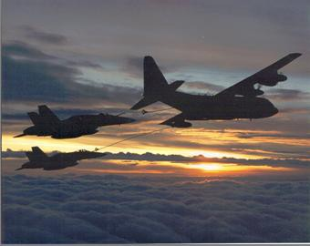
KC-130J Transport Aircraft (KC-130J)
As of FY 2017 President's Budget
Defense Acquisition Management Information Retrieval
(DAMIR)

Table 26
Unit Cost History
Item |  |  |  |  | Date |  |  | BY 2010 $M |  |  |  |  | TY $M
 |  |  |  |  |  |  |  | PAUC |  | APUC |  |  | PAUC |  |  | APUC

Original APB |  |  | Feb 2011 |  |  |  |  | 88.788 |  |  | 88.445 |  |  | 95.017 |  |  | 94.676
APB as of January 2006 |  |  | N/A |  |  |  |  | N/A |  |  | N/A |  |  | N/A |  |  | N/A
Revised Original APB |  |  | N/A |  |  |  |  | N/A |  |  | N/A |  |  | N/A |  |  | N/A
Prior APB |  |  | N/A |  |  |  |  | N/A |  |  | N/A |  |  | N/A |  |  | N/A
Current APB |  |  | Feb 2011 |  |  |  |  | 88.788 |  |  | 88.445 |  |  | 95.017 |  |  | 94.676
Prior Annual SAR |  |  | Dec 2014 |  |  |  |  | 84.969 |  |  | 84.603 |  |  | 95.190 |  |  | 94.827
Current Estimate |  |  | Dec 2015 |  |  |  |  | 83.490 |  |  | 83.124 |  |  | 94.151 |  |  | 93.788
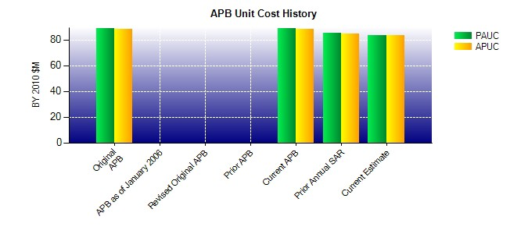
SAR Unit Cost History
Current SAR Baseline to Current Estimate (TY $M)
Initial PAUC Production Estimate | Changes |  |  |  |  |  |  |  |  |  |  |  |  |  | PAUC Current Estimate
 | Econ | Qty |  | Sch |  | Eng | Est |  | Oth | Spt |  | Total
95.017 1.167 0.000 8.150 2.337 -12.099 0.000 -0.421 -0.866 94.151
Current SAR Baseline to Current Estimate (TY $M)
Initial APUC Production Estimate | Changes |  |  |  |  |  |  |  |  |  |  |  |  |  | APUC Current Estimate
 | Econ | Qty |  | Sch |  | Eng | Est |  | Oth | Spt |  | Total
94.676 1.169 0.000 8.150 2.337 -12.123 0.000 -0.421 -0.888 93.788

